Sheet1


PES/GSK/001/5/24 |  |  |  |  |  |  |  | 2024-05-23

M/S My Interior |  |  |  |  |  |  |  |  | Approval 15% on material only | ..\FCU & WCPU Approval (whatsapp by BH on 24 May 24).jpeg
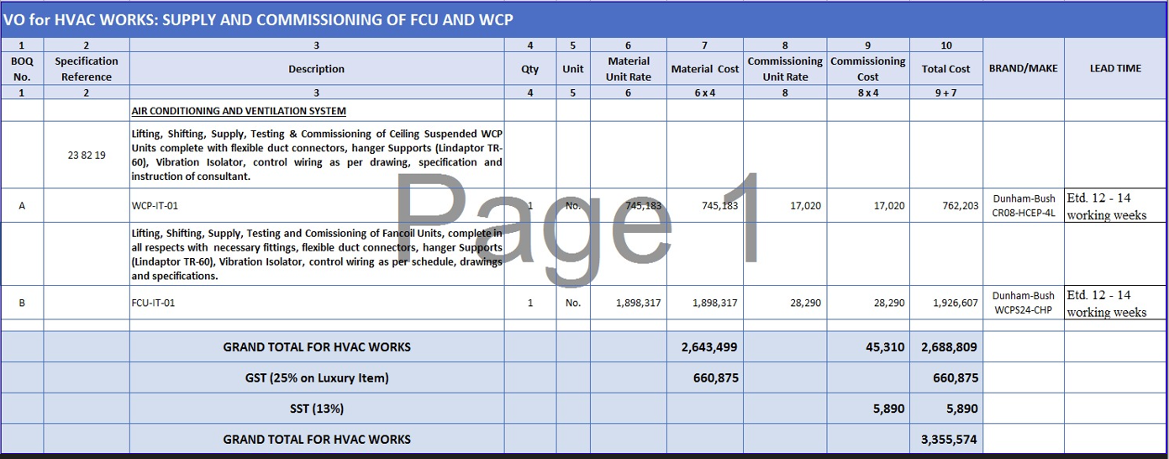
Mr. Shahzaib Mazhar

Variation order for Fan Coil & Water Cooled Package Unit - GSK Office DMC Karachi

S. # | Description | Unit | Qty | Material Rate | Labour Rate | Over Head profit 15% | Tax 7.5% | Total Amount
1 | Supply, Installation & Commissioning of Ducted type Fan Coil Units, Make: Dunham-Bush | No | 1 | 2,917,891 | - | 437,684 | - | 3,355,575
2 | Supply, Installation & Commissioning of Ceiling Suspended WCP Make: Dunham-Bush | No | 1
Total Amount Rs. |  |  |  |  |  |  |  | 3,355,575

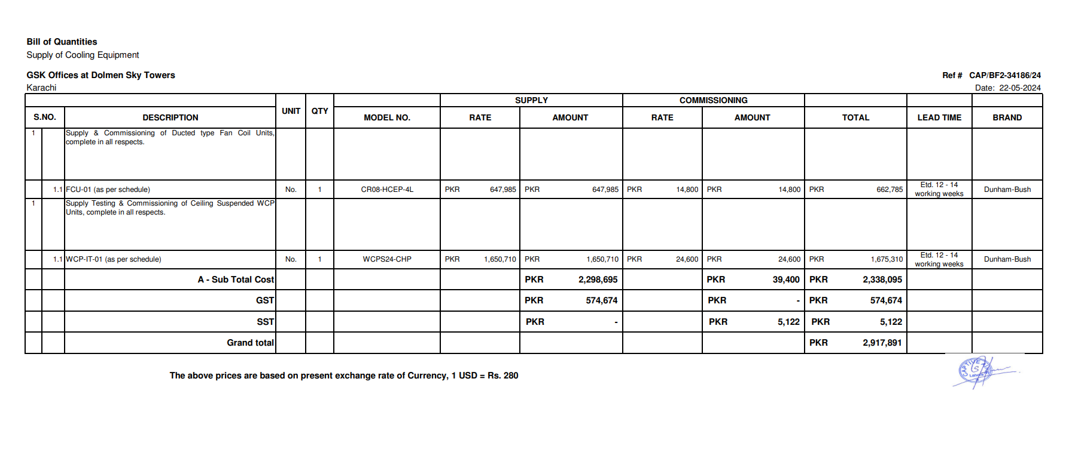
Note: 13% SST will be charged seperately.

Thanking you,

For PIONEER ENGINEERING SERVICES.

Bilal Habib

